Sheet1
PRODUCT NAME | LINK | POWER SUPPLY & SIZE | IMAGE
Grow Light | https://shopee.vn/%C4%90%C3%A8n-LED-tr%E1%BB%93ng-c%C3%A2y-%C4%91%C3%A8n-quang-h%E1%BB%A3p-cho-c%C3%A2y-i.59209096.3270256711?extraParams=%7B%22display_model_id%22%3A90288378359%2C%22model_selection_logic%22%3A3%7D | Voltage: 220VAC Size: 15W Bulb: 50x55mm 28W Bulb: 47x66mm | 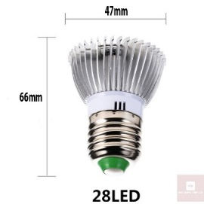

Water Pump | https://shopee.vn/B%C6%A1m-%C4%91i%E1%BB%87n-ch%C3%ACm-12v-24v-v%E1%BB%8F-h%E1%BB%A3p-kim-nh%C3%B4m-b%C6%A1m-d%E1%BA%A7u-diesel-l%C6%B0u-l%C6%B0%E1%BB%A3ng-30-l%C3%ADt-ph%C3%BAt-i.1207097287.42122109009?extraParams=%7B%22display_model_id%22%3A196292088953%2C%22model_selection_logic%22%3A3%7D&rModelId=196292088953&vItemId=55811702189&vModelId=346016257191&vShopId=1506174776 | Model: 24V 38mm | 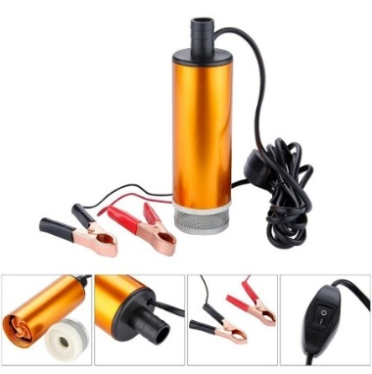

Ventilation Fan | https://shopee.vn/Qu%E1%BA%A1t-t%E1%BA%A3n-nhi%E1%BB%87t-USB-5V-6CM-9CM-12CM-cho-b%E1%BB%99-%C4%91%E1%BB%8Bnh-tuy%E1%BA%BFn-Router-Set-Top-Box-Ti%E1%BA%BFt-ki%E1%BB%87m-%C4%91i%E1%BB%87n-i.32169520.45860253921?extraParams=%7B%22display_model_id%22%3A355899266731%2C%22model_selection_logic%22%3A3%7D | Power Supply: 24V dimension: 9x9x2.5 cm | 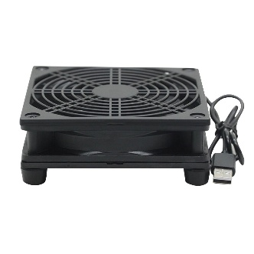

Heating Lamp | https://shopee.vn/%C4%90%C3%A8n-S%C6%B0%E1%BB%9Fi-UVA-UVB-3.0-Cho-R%C3%B9a-Xoay-Linh-Ho%E1%BA%A1t-360-%C4%90%E1%BB%99-C%C3%B3-Th%E1%BB%83-%C4%90i%E1%BB%81u-Ch%E1%BB%89nh-%C4%90%E1%BB%99-S%C3%A1ng-i.1271085200.40228288403?extraParams=%7B%22display_model_id%22%3A259152470005%2C%22model_selection_logic%22%3A3%7D | Power Supply: 220V 25W | 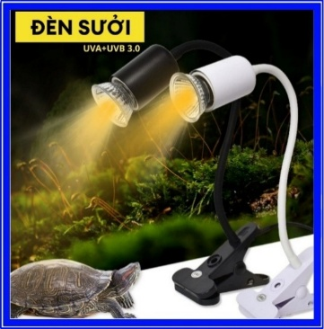

USB-A Breakout Board | https://shopee.vn/-2-chi%E1%BA%BFc-M%E1%BA%A1ch-ra-ch%C3%A2n-breakout-USB-A-c%C3%A1i-i.34194508.22359497222?extraParams=%7B%22display_model_id%22%3A88815770978%2C%22model_selection_logic%22%3A3%7D | Size: 29x25mm | 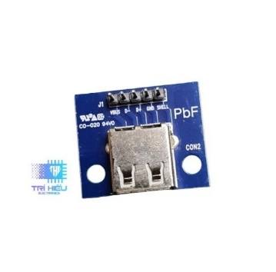

Intermediate Relay (24V) | https://shopee.vn/R%C6%A1-Le-Trung-Gian-8-Ch%C3%A2n-14-Ch%C3%A2n-Relay-MY4N-LY2N-MY2N-220V-24VDC-12VDC-i.283585110.42964285638?extraParams=%7B%22display_model_id%22%3A296177115248%2C%22model_selection_logic%22%3A3%7D |  | 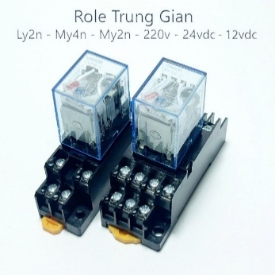

24V - 5A Power Supply | https://shopee.vn/Ngu%E1%BB%93n-24V-1A-2A-3A-5A-10A-15A-20A-Ngu%E1%BB%93n-T%E1%BB%95-Ong-D%C3%B9ng-Cho-Led-%C4%90%E1%BB%99ng-C%C6%A1-Thi%E1%BA%BFt-B%E1%BB%8B-%C4%90i%E1%BB%87n-T%E1%BB%AD-24V-i.240819525.11210685204?extraParams=%7B%22display_model_id%22%3A45891974092%2C%22model_selection_logic%22%3A3%7D | 24V - 5A/ 120W | 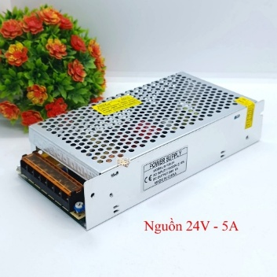

Temperature - Humidity Module DHT11 | https://shopee.vn/Module-C%E1%BA%A3m-Bi%E1%BA%BFn-Nhi%E1%BB%87t-%C4%90%E1%BB%99-%C4%90%E1%BB%99-%E1%BA%A8m-DHT11-i.90668226.8851268382?extraParams=%7B%22display_model_id%22%3A25734495445%2C%22model_selection_logic%22%3A3%7D | Power Supply: 3.3 - 5VDC | 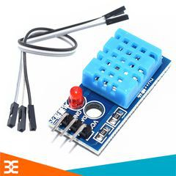

Soil Moisutre Sensor TH118 | https://shopee.vn/C%E1%BA%A3m-bi%E1%BA%BFn-%C4%91%E1%BB%99-%E1%BA%A9m-%C4%91%E1%BA%A5t-TH118-i.310609561.6659171506?extraParams=%7B%22display_model_id%22%3A22378477322%2C%22model_selection_logic%22%3A3%7D | Power Supply: 3.3 ~ 5 VDC | 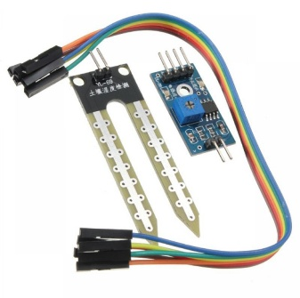

Photorsensitive Resistor Module | https://shopee.vn/M%E1%BA%A1ch-(Bo)-C%E1%BA%A3m-Bi%E1%BA%BFn-%C3%81nh-S%C3%A1ng-(Quang-Tr%E1%BB%9F)-4-Pin-4-Pin-Photoresistor-Sensor-Module-i.1068129880.19785909432?extraParams=%7B%22display_model_id%22%3A194713328755%2C%22model_selection_logic%22%3A3%7D | Dimension: 3.2cm x 1.4cm Power Supply: 3.3 - 5VDC | 